Sheet1
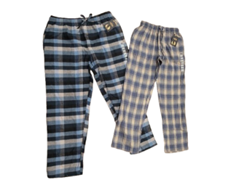
FOB Toronto,ON.

ADTUL SLEEP PANTS
SIZING S-M-L-XL-XXL/ 1-4-4-2-1 (per pattern per case)
CASE PACK - 48
(all subject to final count at time of sale - subject to prior sale)
individually poly bagged
(4 assorted patterns per case)
MOQ - 4800 units
PICTURE | D E S C R I P T I O N | STYLE | COLOUR | S | M | L | XL | XXL | TOTAL | PCS/ | TOTAL | OFFER PRICE
 |  | # |  |  |  |  |  |  | PCS | BOX | BOXES

 | ADULT SLEEP PANTS | Pattern 1 | ASSORTED | 1 | 4 | 4 | 2 | 1 | 4476 | 12
 | 60% Cotton/ 40% polyester | Pattern 2 | ASSORTED | 1 | 4 | 4 | 2 | 1 | 4476 | 12
 | EACH BOX 48 PCS | Pattern 3 | ASSORTED | 1 | 4 | 4 | 2 | 1 | 4,476 | 12
 |  | Pattern 4 | ASSORTED | 1 | 4 | 4 | 2 | 1 | 4,476 | 12
 | Made In Pakistan
 | MSRP $14.99 (on tag)
 | UPC (on tag)
 |  |  |  |  | 16 | 16 | 8 | 4 | 17,904 |  | 373 | $5.50

